Sheet1
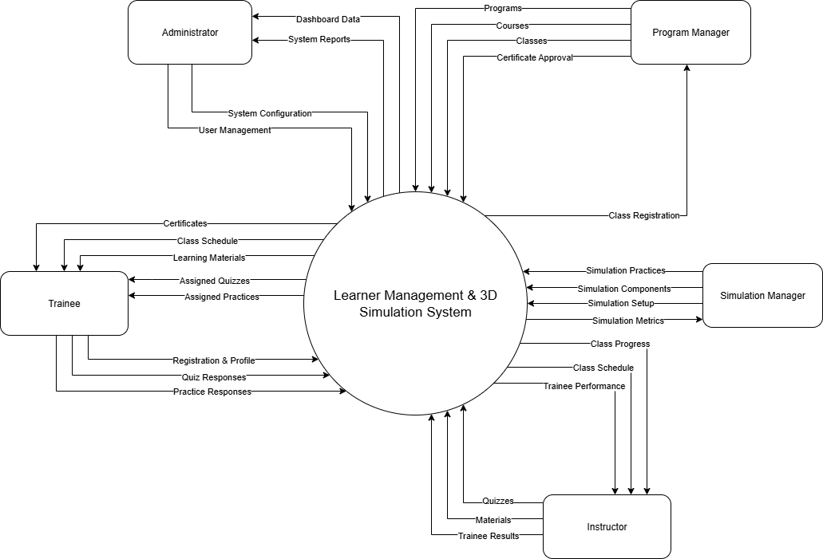
Presentation Link
Project Tittle
 | English | Learner Management and 3D Simulation System for Crane Training Center
 | Vietnamese | Hệ thống Quản lý Học viên và Mô phỏng 3D cho Trung tâm Đào tạo Xe cẩu
 | Abbreviation | LSSCTC
Problems
 | The current crane training program relies heavily on hands-on training with real equipment, which is time-consuming and high-risk. Training centers are also struggle to manage program’s materials, and to track trainee progress.
Proposed Solution
 | Provide a centralized platform for managing student information and managing training programs.
 | Offer a realistic virtual environment that allows practicing crane operations.
 | Enable instructors to track trainee’s progress and evaluate test results to give direct feedback.
 | Provide quizzes and practices to help trainees check their knowledge and skills.
 | Manage detailed learning results and issue certificates.
Main Actors
 | Trainee
 | Instructor
 | Program Manager
 | Simulation Manager
 | Administrator
Major Features
 | ID | Feature | Role(s)
 | FE-01 | Attend classes, take quizzes, practices and track progress to get qualified for certificate | Trainee
 | FE-02 | Create, modify programs and courses for classes to be assigned in | Program Manager
 | FE-03 | Upload, modify, remove learning materials, quizzes and practices for class sections | Instructor
 | FE-04 | Enroll and pay for programs, get access in the programs | Trainee
 | FE-05 | Manage system users and roles, and training activities | Admin
 | FE-06 | Review and confirm training results, issue certificates based on outcomes | Instructor
Business Rules
 | ID | Business Rule
 | BR-01 | Each training program must contain at least one course, and each course must have at least one class before it can be published.
 | BR-02 | A trainee can only enroll in classes that are open for registration.
 | BR-03 | Each class is assigned at least one instructor before being activated.
 | BR-04 | A trainee may only be enrolled in one class for a specific course at a time.
 | BR-05 | Enrollment requests must be approved by the Program Manager.
 | BR-06 | Trainees can only access learning materials and quizzes after enrollment is confirmed.
 | BR-07 | Only instructors assigned to a class may create or update learning materials, quizzes, and simulation practices for that class.
 | BR-08 | Each quiz or practical test can be attempted a limited number of times.
 | BR-09 | All test attempts and simulation practice results must be recorded and linked to the corresponding trainee enrollment.
 | BR-10 | Trainees can only access simulation time slots for practices associated with their enrolled classes.
 | BR-11 | Only Simulator Managers can configure simulation environments or edit simulation components.
 | BR-12 | Practice results in the simulation environment must be reviewed and graded by the instructor.
 | BR-13 | Trainees must complete all required learning materials, quizzes, and simulation practices to be eligible for course completion.
 | BR-14 | Certification can only be issued after the instructor and Program Manager confirm all requirements are met.
 | BR-15 | Only Admin users may create, modify, or remove user accounts and assign system roles.

Context Diagram

